Sheet1
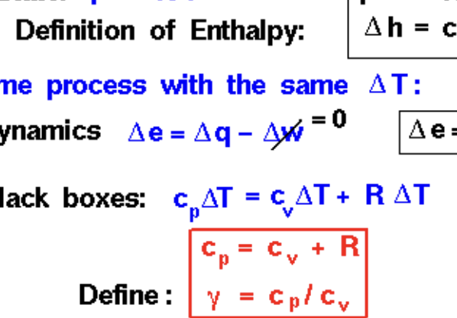
Compressor | 1 Compressor |  | Mass Density | 0.0820193 | lb/gal
Compression of gas and recycle stream mix to 80 bars |  |  | Volumetric Flow | 544149500 | gal/hr
Compressor Input Stream Pressure | 35 | psi | Mass Flow | 12397.433635 | lb/min
Compressor Output Stream Pressure | 115 | bar |  | 12397.433635
Indicated Horsepower | 7575801.371 | hp | Corrected Mass Flow | 8725.207521
Break Horsepower | 7575801.371 | hp |  | 1 | Series
Net Work Required | 7575801.371 | hp |  | 5 | Parallel
Efficiency | 72 | %
 |  |  | Temperature Ratio | 1.2670481605
Outlet Temp | 477.365 | C | Gamma | 1.370535
Inlet Temp | 210 | C
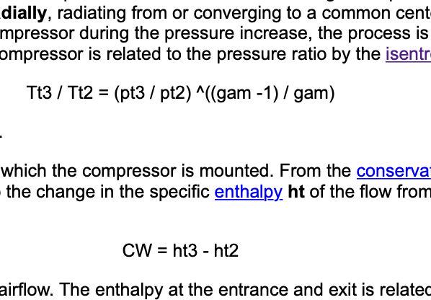
 | 891.257 | F
 | 410 | F
Pressure Ratio | 3.2857142857

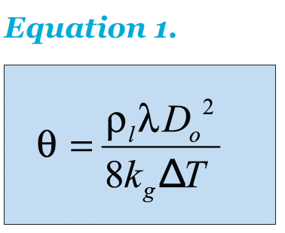
Spray Quench Tank
Hot Stream Inlet ( Stream 5) Temperature | 800 | C | Hot Stream Inlet ( Stream 5) Pressure | 35 | bar
Hot Stream Outlet (Stream 7) Temperature | 579.984 | C | Hot Stream Outlet (Stream 7) Pressure | 35 | bar
Cold Stream Inlet (Stream 6) Temperature | 25.2041 | C | Cold Stream Inlet (Stream 6) Pressure | 36 | bar | H2O
Cold Stream Outlet (Stream 8) Temperature | 369.984 | C | Cold Stream Outlet (Stream 8) Pressure | 36 | bar | H2O
Inlet flow rate | 400688000 | l/min

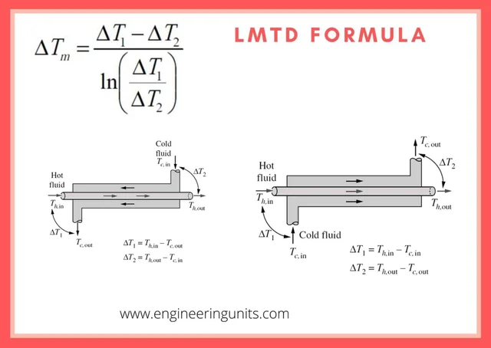
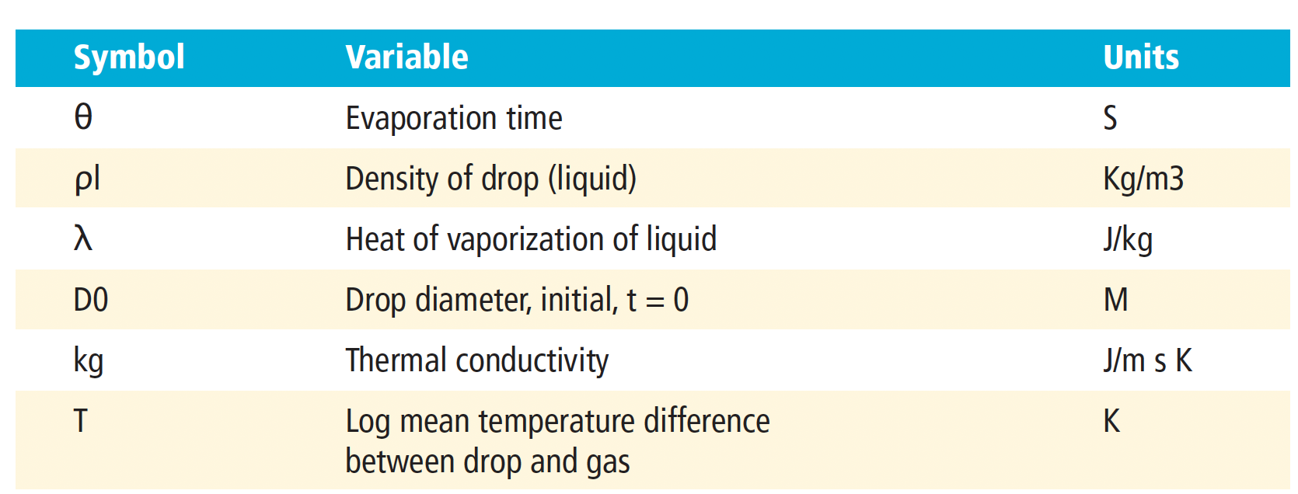
rho (Density of H2O) | 997 | kg/m^3
lambda (Heat of Vaporization of Water) | 2260000 | j/kg
D0 (Drop Diameter) | 0.5 | m
k_g( Thermal conductivity) | 0.598 | J/S*m*K
T Log mean temp difference between water and inlet | 432.6306502 | K
Residence Time | 272166.80236 | s

Hot Stream Inlet ( Stream 5) Temperature | 1073.15 | K
Hot Stream Outlet (Stream 7) Temperature | 853.134 | K
Cold Stream Inlet (Stream 6) Temperature | 298.3541 | K
Cold Stream Outlet (Stream 8) Temperature | 643.134 | K

Drop Diameter (m) | Residence Time | Residence Time
0 | 0 | 0
0.01 | 108.86672094 | 0.030240755818
0.02 | 435.46688378 | 0.12096302327
0.03 | 979.8004885 | 0.27216680236
0.04 | 1741.8675351 | 0.48385209309
0.05 | 2721.6680236 | 0.75601889545
Spray Quench Drop Diameter and Residence Time
 | Residence Time
0 | 0
0.01 | 0.030240755818
0.02 | 0.12096302327
0.03 | 0.27216680236
0.04 | 0.48385209309
0.05 | 0.75601889545
0.06 | 1.0886672094
0.07 | 1.4817970351
0.08 | 1.9354083723
0.09 | 2.4495012212
0.1 | 3.0240755818
0.11 | 3.659131454
0.12 | 4.3546688378
0.13 | 5.1106877332
0.14 | 5.9271881403
0.15 | 6.804170059
0.16 | 7.7416334894
0.17 | 8.7395784314
0.18 | 9.798004885
0.19 | 10.91691285
0.2 | 12.096302327
0.21 | 13.336173316
0.22 | 14.636525816
0.23 | 15.997359828
0.24 | 17.418675351
0.25 | 18.900472386
0.26 | 20.442750933
0.27 | 22.045510991
0.28 | 23.708752561
0.29 | 25.432475643
0.06 | 3919.201954 | 1.0886672094
0.07 | 5334.4693263 | 1.4817970351
0.08 | 6967.4701404 | 1.9354083723
0.09 | 8818.2043965 | 2.4495012212
0.1 | 10886.672094 | 3.0240755818
0.11 | 13172.873234 | 3.659131454 |  |  |  |  | Residence Time= volume of Reactor/ Volumetric flow rate
0.12 | 15676.807816 | 4.3546688378 |  |  |  |  | Volume of Reactor= Residence time * Volumetric Flow Rate
0.13 | 18398.47584 | 5.1106877332
0.14 | 21337.877305 | 5.9271881403
0.15 | 24495.012212 | 6.804170059
0.16 | 27869.880562 | 7.7416334894
0.17 | 31462.482353 | 8.7395784314
0.18 | 35272.817586 | 9.798004885
0.19 | 39300.886261 | 10.91691285
0.2 | 43546.688378 | 12.096302327
0.21 | 48010.223936 | 13.336173316
0.22 | 52691.492937 | 14.636525816
0.23 | 57590.49538 | 15.997359828
0.24 | 62707.231264 | 17.418675351
0.25 | 68041.70059 | 18.900472386
0.26 | 73593.903358 | 20.442750933
0.27 | 79363.839568 | 22.045510991
0.28 | 85351.50922 | 23.708752561
0.29 | 91556.912314 | 25.432475643

